Sheet1
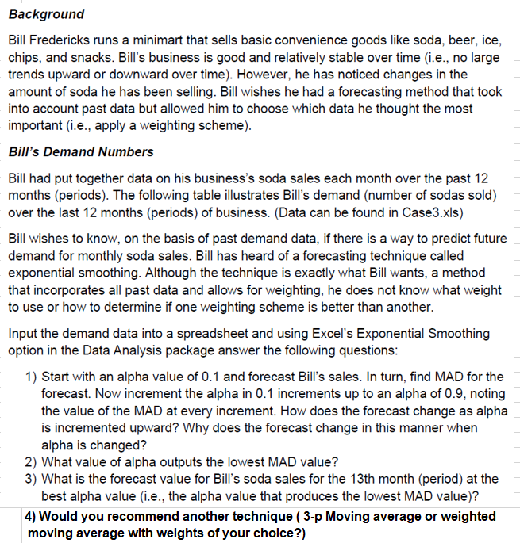
MONTH (Period) | SODA SALES (units)
1 | 3,591
2 | 3,703
3 | 3,952
4 | 3,882
5 | 3,677
6 | 3,659
7 | 3,935
8 | 3,615
9 | 3,879
10 | 3,653
11 | 3,768
12 | 3,754
13

